Sheet1
PRIME DEALS INTERNATIONAL LTD. - CHRISTMAS/WINTER BOOKING DEADLINE Feb 25th, 2026
PIC | Number | Description | UPC | Case Pack | COST | Order | Total
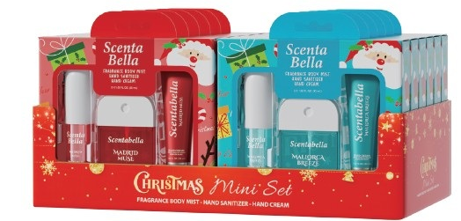 | 89999 | Scentabella Christmas 3PK Tropical Mini Set W/ PDQ Madrid Muse & Mallorca Breeze | 191554899995 | 12 | $5.35 |  | $0.00
 | 26076 | Solo En Ibiza Hand Cream 30ml*3pk | 191554260764 | 24 | $4.00 |  | $0.00
 | 60441 | Wish Liquid Hand Sanitizer Spray 1.5oz 2PK w/ Charms | 191554604414 | 24 | $4.50 |  | $0.00
 | 69342 | Wish Mini Cleaning Hand Wipes 25CT Display | 191554693425 | 24 | $1.50 |  | $0.00
 | 60245 | Chateau Propre Hand Cream Holiday Gift Set 6pack1oz/30mL | 191554602458 | 12 | $5.50 |  | $0.00
 | 60672 | Chateau Propre Foaming Hand Soap 16.9 floz Snowy Peach Berry | 191554606722 | 12 | $2.75 |  | $0.00
 | 60673 | Chateau Propre Foaming Hand Soap 16.9 floz Vanilla Bean Noel | 191554606739 | 12 | $2.75 |  | $0.00
 | 60674 | Chateau Propre Foaming Hand Soap 16.9 floz Twisted Pepper Mint | 191554606746 | 12 | $2.75 |  | $0.00
 | 60675 | Chateau Propre Foaming Hand Soap 16.9 floz Merry Berries | 191554606753 | 12 | $2.75 |  | $0.00
 | 60676 | Chateau Propre Foaming Hand Soap 16.9 floz Ginger Bread | 191554606760 | 12 | $2.75 |  | $0.00
 | 60677 | Chateau Propre Foaming Hand Soap 16.9 floz Candy Cane Apple | 191554606777 | 12 | $2.75 |  | $0.00
 | 60678 | Chateau Propre Foaming Hand Soap 16.9 floz Iced Cinnamon Rolls | 191554606784 | 12 | $2.75 |  | $0.00
 | 60760 | Scentabella Hand Soap 10oz/300ml Holiday Biege Raindeer Merry berries | 191554607606 | 12 | $3.00 |  | $0.00
 | 60761 | Scentabella Hand Soap 10oz/300ml Holiday Sqaure Sicilian Grapefruit | 191554607613 | 12 | $3.00 |  | $0.00
 | 60762 | Scentabella Hand Soap 10oz/300ml Holiday Green Gingerbread | 191554607620 | 12 | $3.00 |  | $0.00
 | 60763 | Scentabella Hand Soap 10oz/300ml Holiday Plaid Candy cane apple | 191554607637 | 12 | $3.00 |  | $0.00
 | 60764 | Scentabella Hand Soap 10oz/300ml Wreath Pine | 191554607644 | 12 | $3.00 |  | $0.00
 | 60765 | Scentabella Hand Soap 10oz/300ml Snowman Spruce | 191554607651 | 12 | $3.00 |  | $0.00
 | 60780 | Molto Bella Body Wash 33.8oz/1000ml Holiday Winter Fir Forest | 191554607804 | 12 | $4.25 |  | $0.00
 | 60781 | Molto Bella Body Wash 33.8oz/1000ml Holiday Amber Wood Fireplace | 191554607811 | 12 | $4.25 |  | $0.00
 | 60782 | Molto Bella Body Wash 33.8oz/1000ml Holiday Festive Orange Spice Tea | 191554607828 | 12 | $4.25 |  | $0.00
 | 60783 | Molto Bella Body Wash 33.8oz/1000ml Holiday Cranberry Mulled Wine | 191554607835 | 12 | $4.25 |  | $0.00
 | 60784 | Molto Bella Body Wash 33.8oz/1000ml Holiday Snow Apple Cinnamon | 191554607842 | 12 | $4.25 |  | $0.00
 | 60785 | Molto Bella Body Wash 33.8oz/1000ml Holiday Gingerbread Vanilla Latte | 191554607859 | 12 | $4.25 |  | $0.00
 | 60786 | Molto Bella Body Wash 33.8oz/1000ml Holiday Hot Cocoa Marshmallow | 191554607866 | 12 | $4.25 |  | $0.00
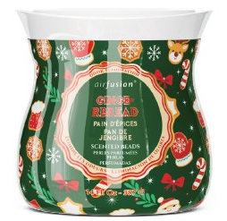 | 99820 | Air Fusion Crystal Beads 14oz Holiday Gingerbread | 191554998209 | 12 | $1.75 |  | $0.00
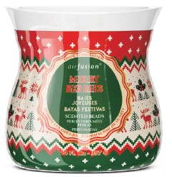 | 99821 | Air Fusion Crystal Beads 14oz Holiday Merry Berries |  | 12 | $1.75 |  | $0.00
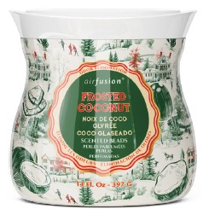 | 99822 | Air Fusion Crystal Beads 14oz Holiday Frosted Coconut |  | 12 | $1.75 |  | $0.00
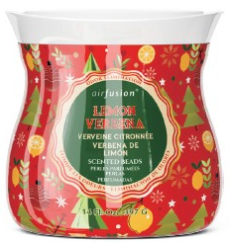 | 99823 | Air Fusion Crystal Beads 14oz Holiday Lemon Verbena |  | 12 | $1.75 |  | $0.00
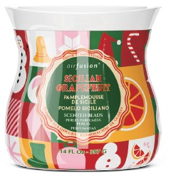 | 99824 | Air Fusion Crystal Beads 14oz Holiday Sicilian Grapefruit |  | 12 | $1.75 |  | $0.00
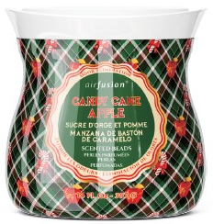 | 99825 | Air Fusion Crystal Beads 14oz Holiday Candy Cane Apple |  | 12 | $1.75 |  | $0.00
 | T13251 | Plastic Bottle with Holiday cute PVC & Straw 15oz/450ml |  | 24 | $3.25 |  | $0.00
 | 56077 | Christmas Plastic Bento Meal Prep Container 20PK 850ml | 191554560772 | 12 | $5.50 |  | $0.00
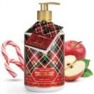 | 60640 | 630ml Candy Cane Apple Hand Soap with a Greeting card- Made with good-for-you ingredients and cold-pressed extracts, Free of Sulfates & Parabens, Removes Odor, Gentle on Skin, Unique Style Bottles with Golden tops | 191554606401 | 12 | $3.25 |  | $0.00
 | 60641 | 630ml Sicilian Grapefruit Hand Soap with a Greeting card- Made with good-for-you ingredients and cold-pressed extracts, Free of Sulfates & Parabens, Removes Odor, Gentle on Skin, Unique Style Bottles with Golden tops | 191554606418 | 12 | $3.25 |  | $0.00
 | 60642 | 630ml Lemon Verbena Hand Soap with a Greeting card- Made with good-for-you ingredients and cold-pressed extracts, Free of Sulfates & Parabens, Removes Odor, Gentle on Skin, Unique Style Bottles with Golden tops | 191554606425 | 12 | $3.25 |  | $0.00
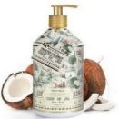 | 60643 | 630ml Frosted Coconut Hand Soap with a Greeting card- Made with good-for-you ingredients and cold-pressed extracts, Free of Sulfates & Parabens, Removes Odor, Gentle on Skin, Unique Style Bottles with Golden tops | 191554606432 | 12 | $3.25 |  | $0.00
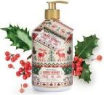 | 60644 | 630ml Merry Berries Hand Soap with a Greeting card- Made with good-for-you ingredients and cold-pressed extracts, Free of Sulfates & Parabens, Removes Odor, Gentle on Skin, Unique Style Bottles with Golden tops | 191554606449 | 12 | $3.26 |  | $0.00
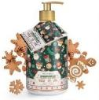 | 60645 | 630ml Gingerbread Hand Soap with a Greeting card- Made with good-for-you ingredients and cold-pressed extracts, Free of Sulfates & Parabens, Removes Odor, Gentle on Skin, Unique Style Bottles with Golden tops | 191554606456 | 12 | $3.25 |  | $0.00
 |  | Christmas Soaps END CAP PROGRAM- Order 480pcs assorted | Multiple UPC | 480 | $2.85 |  | $0.00
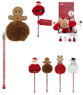 | EC4059 | Pom- Pom Holidays Pens - 4 Assorted Characters, Large, Soft pom pom character design, Assorted Scents, PDQ Display |  | 36 | $1.75 |  | $0.00
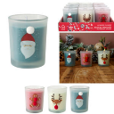 | BO0099 | Christmas Scented Candles- Assorted Prints, Assorted Scents, PDQ Display, 3 Different Holiday prints, Great gift giving item |  | 24 | $2.00 |  | $0.00
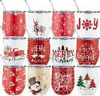 | IT-7800 | DOUBLE-WALL STAINLESS STEEL CHRISTMAS TUMBLERS -12oz- 6 Assorted Prints, Double Wall, Stainless Steel, 12oz Tumblers | 627519078001 | 24 | $4.25 |  | $0.00
 | IT-7801 | DOUBLE-WALL STAINLESS STEEL CHRISTMAS TUMBLERS -12oz-6 Assorted Prints Double Wall, Stainless Steel, 12oz Tumblers | 627519078018 | 24 | $4.25 |  | $0.00
 | IT-7802 | DOUBLE-WALL STAINLESS STEEL CHRISTMAS TUMBLERS -40oz- Assorted Prints and Colors, Double Wall, Stainless Steel 40oz Tumblers, Plastic Straw Included | 627519078025 | 12 | $7.50 |  | $0.00
 | IT-7803 | DOUBLE-WALL STAINLESS STEEL CHRISTMAS TUMBLERS -40oz- Assorted Prints and Colors, Double Wall, Stainless Steel 40oz Tumblers, Plastic Straw Included |  | 12 | $7.50 |  | $0.00
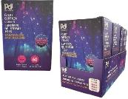 | LE-FARY-COL | Multi-color LED Fairy Curtains Lights - 6 Light Strands, 60 LED Lights, Battery Operated, Clear wire | 5056467481239 | 24/48 | $5.50 |  | $0.00
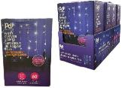 | LE-FARY-WHT | LED Fairy Curtains Lights -White- 6 Light Strands, 60 LED Lights, Battery Operated, Clear wire | 5056467481345 | 24/48 | $5.50 |  | $0.00
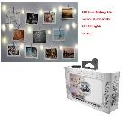 | VK-50004-WT | Volkano Twinkle Series Clear Photo Clips with LED Lights - 120-Hour Battery Life. Indoor/Outdoor use, 20 LED Lights, 20 Clips | 6009545423354 | 20/40 | $5.35 |  | $0.00
 | 84092A | Party Central Recreational Ping Pong Balls & Cups 24pk 12+12 - Perfect Party Game, 12 Cups & 12 Balls, Great way to get the party started | 191554840928 | 12 | $3.75 |  | $0.00
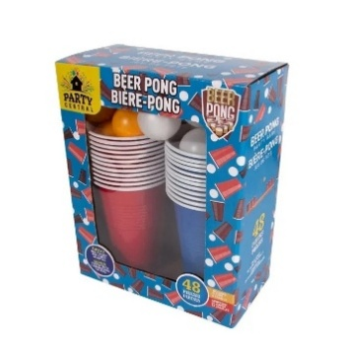 | 84093A | Party Central Recreational Ping Pong Balls & Cups 48pk 24+24 - Perfect Party Game, 12 Cups & 12 Balls, Great way to get the party started | 191554840935 | 12 | $5.50 |  | $0.00
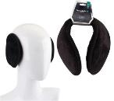 | 14008 | Insulated Ear Muff Behind Head Black Only | 191554140080 | 48/144 | $1.05 |  | $0.00
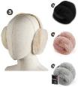 | 14010 | Insulated Ladies Earmuff Jumbo | 191554140103 | 36/72 | $2.50 |  | #VALUE!
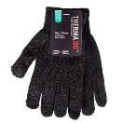 | 11104 | Thermaxxx Winter Magic Glove Black Only w/ Grip Dots | 191554111042 | 48/144 | $0.78 |  | $0.00
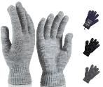 | 11106 | Insulated Winter Magic Glove Assorted Colors | 191554111066 | 48/240 | $1.00 |  | $0.00
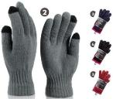 | 11244 | Thermaxxx Thermal Gloves Women w/Touch HD | 191554112445 | 36/72 | $2.65 |  | $0.00
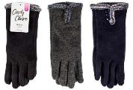 | 11200 | Cindy Claire Winter Glove Ladies w/ Touch Fur Cuff Buttons | 191554112001 | 24/144 | $3.00 |  | $0.00
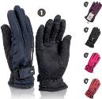 | 11205 | Cindy Claire Winter Ski Gloves Ladies Zipper Pocket w/ Grip Dots | 191554112056 | 12/72 | $5.00 |  | $0.00
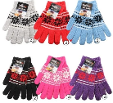 | 11208 | Thermaxxx Winter Knit Glove Ladies Snowflake | 191554112087 | 72/144 | $1.10 |  | $0.00
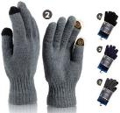 | 11243 | Insulated Thermal Gloves Men w/ Touch HD | 191554112438 | 36/72 | $2.65 |  | $0.00
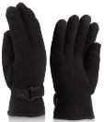 | 11246 | Thermaxxx Men's Fleece Gloves Thick HD | 191554112469 | 12/72 | $3.00 |  | $0.00
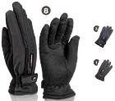 | 11100 | Thermaxxx Winter Ski Gloves Men Zipper Pocket w/ Grip Dots | 191554111004 | 12/72 | $5.00 |  | $0.00
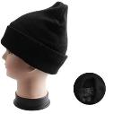 | 10013 | Insulated Winter Hat Black Only w/ Faux Fur Lining | 191554100138 | 72/144 | $1.50 |  | $0.00
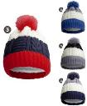 | 10311 | MORGAN & MONROE Kids Pom Hat w/ Fur Lining | 191554103115 | 24/72 | $2.75 |  | $0.00
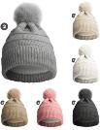 | 10304 | MORGAN & MONROE Kids Pom Hat w/Fur lining | 191554103047 | 24/72 | $3.00 |  | $0.00
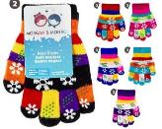 | 11301 | MORGAN & MONROE Winter Glove Kids Snowflake | 191554113015 | 60/240 | $1.15 |  | $0.00
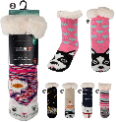 | 12029 | Thermaxxx Kids Sherpa Socks Animals | 191554120297 | 24/72 | $3.75 |  | $0.00
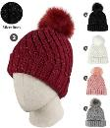 | 10136 | Cindy Claire Ladies Pom Pom Hat w/ Fur lining Twist Knit | 191554101364 | 12/72 | $3.50 |  | $0.00
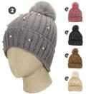 | 10021 | Cindy Claire Ladies Pom hat with fur Lining | 191554100213 | 12/72 | $3.50 |  | $0.00
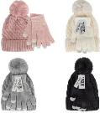 | 15008 | Cindy Claire 2pcs Women's Set | 191554150089 | 12/48 | $4.25 |  | $0.00
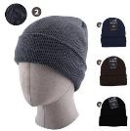 | 10014 | Insulated Winter Hat Assorted Colors w/ Faux Fur Lining | 191554100145 | 24/144 | $1.50 |  | $0.00
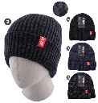 | 10062 | Thermaxxx Men Winter Knit Hat w/ Fur Lining | 191554100626 | 24/144 | $2.50 |  | $0.00
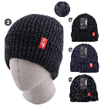 | 10057 | Insulated Men Winter Knit Hat w/ Fur Lining | 191554100572 | 12/144 | $3.00 |  | $0.00
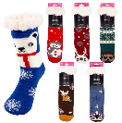 | 12008 | Thermaxxx Sherpa Socks w/ Non-slip Bottom Animals | 191554120082 | 24/72 | $4.00 |  | $0.00
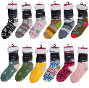 | 12040 | Thermaxxx Sherpa Socks Assorted | 191554120402 | 24/48 | $3.00 |  | $0.00
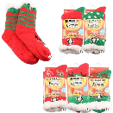 | 12005 | Thermaxxx Winter Socks Knit Sherpa Lining Xmas | 191554120051 | 24/72 | $4.50 |  | $0.00
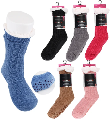 | 12036 | Thermaxxx Sherpa Socks w/ Non-slip Bottom Chenille Knit | 191554120365 | 24/72 | $4.50 |  | $0.00
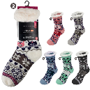 | 12018 | Thermaxxx Sherpa Socks w/ Non-slip Bottom Owls | 191554120181 | 24/72 | $4.00 |  | $0.00
 | 12042 | Thermaxxx Sherpa Socks Assorted w/ Non-slip Bottom | 191554120426 | 24/72 | $3.25 |  | $0.00
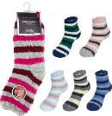 | 12100 | Insulated Winter Socks Fuzzy Stripes | 191554121003 | 72/144 | $0.85 |  | $0.00
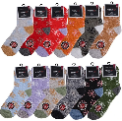 | 12108 | Thermaxxx Winter Socks Fuzzy SnowFlakes | 191554121089 | 72/144 | $0.85 |  | $0.00
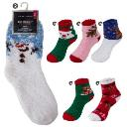 | 12106 | Thermaxxx Winter Socks Fuzzy Heavy Duty Xmas | 191554121065 | 72/144 | $1.25 |  | $0.00
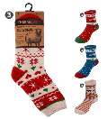 | 12208 | Thermal Ladies Wool Socks 9-11 | 191554122086 | 24/72 | $2.65 |  | $0.00
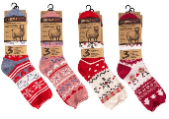 | 12209 | Thermal Ladies Wool Socks 9-11 | 191554122093 | 24 | $6.50 |  | $0.00
 | 12210 | Insulated Thermal Ladies Wool Socks 9-11 | 191554122109 | 24 | $6.50 |  | $0.00
 | 12214 | Thermal Men's Wool Socks 10-13 | 191554122147 | 24 | $6.50 |  | $0.00
 | 12216 | Insulated Thermal Men's Wool Socks 10-13 | 191554122161 | 24 | $6.50 |  | $0.00
 | 15003 | Cindy Claire 3pcs Women's Set Hat+Scarf+Gloves | 191554150034 | 12/24 | $11.50 |  | $0.00
 | 15004 | Cindy Claire 3pcs Women's Set Hat+Scarf+Gloves | 191554150041 | 12/24 | $11.50 |  | $0.00
 | 10157 | Insulated House Booties | 191554101579 | 12/48 | $3.50 |  | $0.00
 | 10170 | Thermaxxx House Booties | 191554101708 | 12/48 | $4.50 |  | $0.00
 | 90076 | Thermaxxx Winter Shoes Men | 191554900769 | 36 | $6.00 |  | $0.00
 | 90077 | Thermaxxx Winter Shoes Ladies | 191554900776 | 36 | $6.00 |  | $0.00
 | 19000 | Thermaxxx Air Activated Hand Warmers - Ready to use, Air Activated, Safe Natural long-lasting heat,1 Pair | 191554190009 | 40/240 | $0.75 |  | $0.00
 | 19001 | Thermaxxx Air Activated Toe Warmers - Ready to use, Air Activated, Safe Natural long-lasting heat,1 Pair | 191554190016 | 40/240 | $0.75 |  | $0.00
 | 19004 | Thermaxxx Air Activated Body Warmers - Ready to use, Air Activated, Safe Natural long-lasting heat,1 Pair | 191554190047 | 40/240 | $0.75 |  | $0.00
 | 10090 | Snow Brush L11*W3.81 inch | 191554100909 | 24/48 | $1.50 |  | $0.00
 | 10092 | Snow Brush Extension Rod L21-26 inch | 191554100923 | 24 | $4.00 |  | $0.00
 | 10094 | Thermaxxx Telescopic Snow Brush 29.8''-43.3'' | 191554100947 | 10 | $7.85 |  | $0.00
 | 10095 | XtraTuff Snow Brush 25.1 in | 191554100954 | 24 | $4.85 |  | $0.00
 | 10096 | XtraTuff Snow Brush 43.3 in -55.12 in | 191554100961 | 12 | $11.50 |  | $0.00
 | 18300 | James Michael Men's Thermal Set Black- Maximum Warmth & Comfort, 3 Sizes- Small/Medium/ Large, Insulated Thermal Wear | 191554183001 | 12/24 | $9.25 |  | $0.00
 | 18301 | Cindy Claire Thermal Set Women Black- Maximum Warmth & Comfort, 3 Sizes- Small/Medium/ Large, Insulated Thermal Wear | 191554183018 | 12/24 | $9.25 |  | $0.00
 | Ladies-2pk | LADIES PERFUME GIFT SETS- 2 Pack- Assorted Fragrance set mix, 100ml/3.4fl.oz EDP, 80ml/2.8fl.oz Body Lotion, Great Gift Giving Items | Multiple UPC | 24 | $6.00 |  | $0.00
 | Ladies-4pk | LADIES PERFUME GIFT SETS- 4 Pack- Assorted Fragrance set mix, 120ml/4.1fl.oz ×2 Body Lotion, 100ml/3.4fl.oz ×2 EDP, XL Gift Sets | Multiple UPC | 24 | $12.00 |  | $0.00
 | Mens-2pk | MEN'S PERFUME GIFT SETS- 2 Pack- Assorted Fragrance set mix, 100ml/3.4fl.oz EDP, 80ml/2.8fl.Oz After Shave, Great Gift Giving Items | Multiple UPC | 24 | $6.00 |  | $0.00
 | Mens-4pk | MEN'S PERFUME GIFT SETS- 4 Pack- Assorted Fragrance set mix, 120ml/4.1fl.oz ×2 Shower Gel, 100ml/3.4fl.oz ×2 EDP, XL Gift Sets | Multiple UPC | 24 | $12.00 |  | $0.00
 | 60227 | Wish Hand Cream 60ml- 6 Assorted Scents, with a Keyring, PDQ Display | 191554602274 | 48 | $1.50 |  | $0.00
 | 60395 | 1.2 oz Hand Sanitizer Spray with Silicone Holder- 4 Assorted Scents, with a Carabiner, Salted Caramel/Coconut Cream/Dragon fruit/Golden Citrus | 191554603950 | 40 | $2.50 |  | $0.00
 | 60396 | 1.2 oz Hand Sanitizer Spraywith Silicone Holder- 4 Assorted Scents, with a Carabiner, Sweet Guava/Cucumber Melon/Violet Orchid/Black Plum | 191554603967 | 40 | $2.50 |  | $0.00
 | 60383 | Wish Liquid Hand Sanitizer Spray 1.2oz with PDQ | 191554603837 | 40 | $2.00 |  | $0.00
 | 60229 | Hand Cream 1 oz- PDQ Display, 6 Assorted Scents | 191554602298 | 36 | $1.10 |  | $0.00
 | 26070 | Molto Bella Hand cream 2 oz - PDQ Display, 6 Assorted Scents | 191554260702 | 36 | $1.50 |  | $0.00
 | 89926 | Wish Hydrating Fragrance Mist 1.2oz - Ronda Caramelo, Marbella, Madrid Muse, Granada Groove | 191554899261 | 40 | $2.00 |  | $0.00
 | 89929 | Wish Hydrating Fragrance Mist 1.2oz with Silicone Holder - Salted Caramel/Coconut Cream/Dragon fruit/Golden Citrus | 191554899292 | 40 | $2.50 |  | $0.00
 | 89951 | Women's Eau de Parfum 1.18 oz/ 35 ml- Jasmine+ Vanilla, Jo Mallory, Divine Essence, Sugar Rush, Valentine Rouge, Scarlet Rouge | 191554891203 | 48 | $1.65 |  | $0.00
 | 89952 | Men's Eau de Parfum 1.18 oz/ 35 ml- Blue, Invincible, Valiant Gold, Aqua Portofino, Vesante Red, Cool Breeze | 191554882584 | 48 | $1.65 |  | $0.00
 | PDI-738 | 5FT Indoor Extension Cord - 3 Outlet Extension Cord, With Earthing wire, Heavy Conduit, Certified | 627519007384 | 24/48 | $1.95 |  | $0.00
 | FL-106 | 15FT Indoor Extension Cord - 3 Outlet, Heavy Conduit, Certified, 15 Feet long | 627519007391 | 24/48 | $3.65 |  | $0.00
 | FL-115AL | 12FT Outdoor Extension Cord - 3 Outlets, Green Color, Plug-In Indicators, 12 Feet | 627519007407 | 12 | $8.85 |  | $0.00
 | PDI-770 | 5FT Indoor Extension Cord with foot Switch- Heavy Duty, With 3 outlets, 3-wire grounded | 627519007704 | 24/48 | $3.65 |  | $0.00
 | PDI-771 | 12FT Indoor Extension Cord with Foot Switch- Heavy Duty, With 3 outlets, 3-wire grounded | 627519007711 | 24/48 | $5.00 |  | $0.00
 | PDI-722 | 6FT Indoor Extension Cord- Indoor Purposes Only, 3- Outlet, 6 Feet Long, 3-Wire Grounded | 627519007223 | 24/72 | $1.95 |  | $0.00
 | PDI-723 | 12FT Indoor Extension Cord - Indoor Purposes Only, 3-Outlet, 12 Feet, 3-Wire Grounded | 627519007230 | 24/72 | $2.95 |  | $0.00
 | PDI-726 | 25 Ft Outdoor Extension Cord with 3 Pin Plug- Heavy Duty | 627519007261 | 12 | $9.85 |  | $0.00
 | PDI-727 | 35 Ft Outdoor Extension Cord with 3 Pin Plug - Heavy water-proof conduit, 3 Pin Socket, With earthing, High visibility reflective orange | 627519007278 | 12 | $13.85 |  | $0.00
 | PDI-747 | 50FT Outdoor Extension Cord- Heavy water-proof conduit, 3 Pin Socket, With earthing, High visibility reflective orange | 627519007476 | 12 | $17.25 |  | $0.00
 | FL110A | 25 Ft Outdoor Extension Cord - 3 Outlets & 3 Pin Plug- Heavy Duty | 627519007292 | 12 | $11.85 |  | $0.00
 | PDI-720 | 12FT Outdoor Extension Cord- 3-Pin Plug Heavy Duty, 3-Wire Grounded, 12 Feet Cord | 627519007209 | 12 | $6.95 |  | $0.00
 | MRUL057 | 12FT Outdoor Extension Cord with Hand Lamp & Hook - with Head Lamp and hanging Hook on both sides, High visibility reflective orange color | 627519007308 | 12 | $9.50 |  | $0.00
 | FL-JC13 | 3 Outlets Indoor Wall Tap - 3-Pin Sockets, Indoor Purpose Only, Straight Convenience | 627519007353 | 48/96 | $1.35 |  | $0.00
 | PDI-725 | 6 Outlets Indoor Wall Tap - Ideal for Use with Home / Office Electronics, Turns 1 Outlets into 6, Surge Protection, 3 Pin Grounded plug | 627519007254 | 48/96 | $1.85 |  | $0.00
 | PDI-724 | 3 Ft Indoor Power Strip with 3 Outlets - Indoor Purpose Only, 3-Pin Plug & Sockets, 3 Feet Cable | 627519007247 | 24/48 | $2.75 |  | $0.00
 | PDI-746 | 6 Outlet Power Bar - With a reset Switch, Surge Protection, 90 Joules, 6 Power Outlets (3 Pin Each), 2 ft Cable | 627519007469 | 12/24 | $4.00 |  | $0.00
...

